Лист1
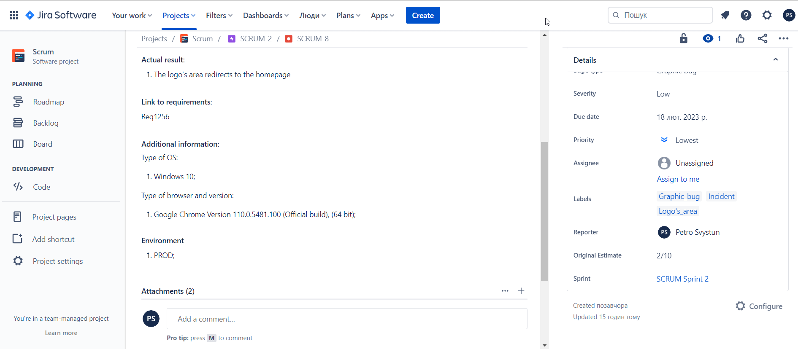
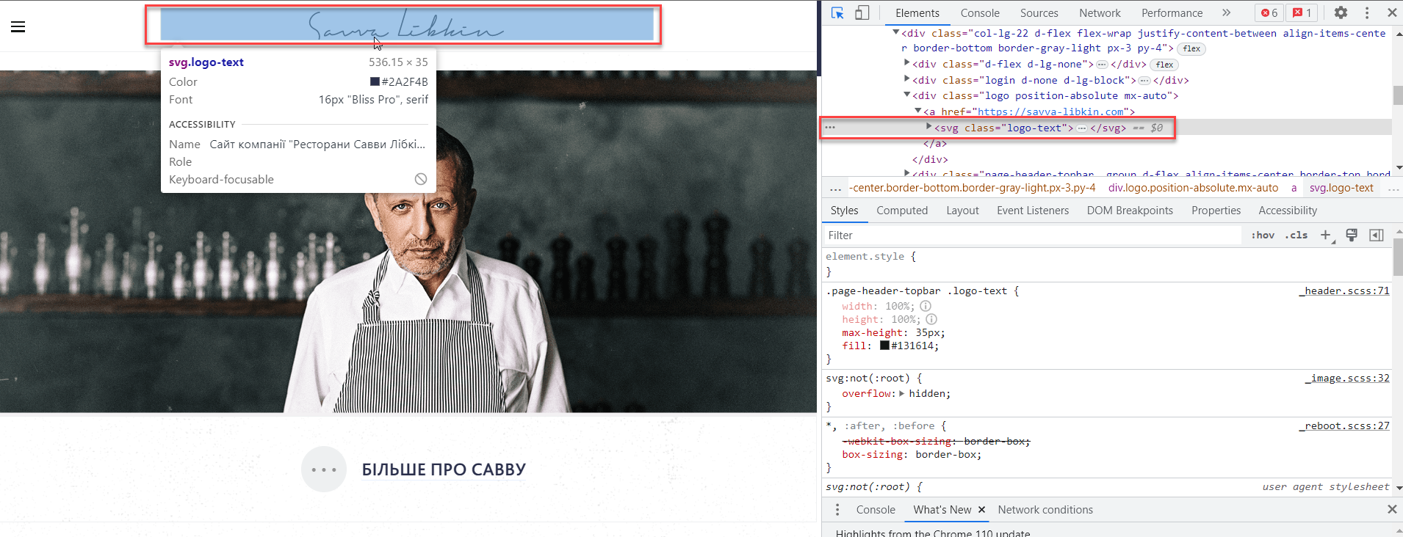
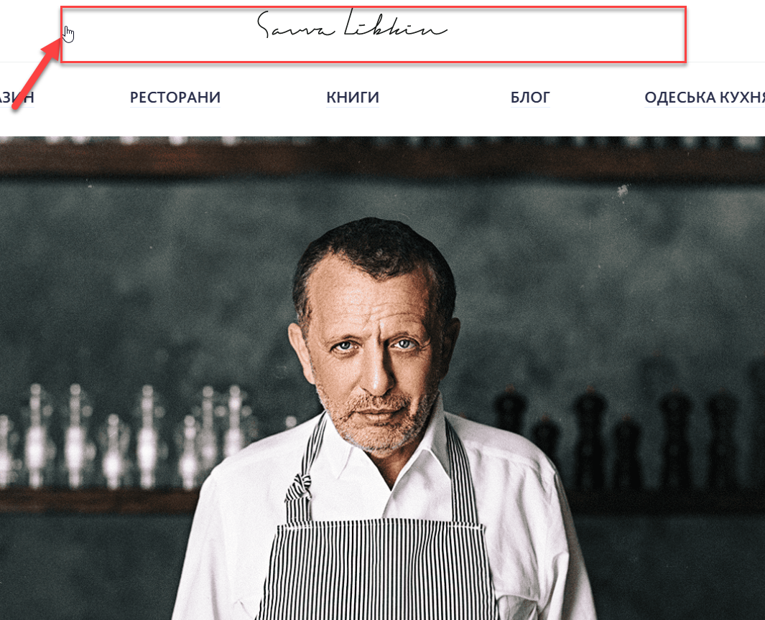
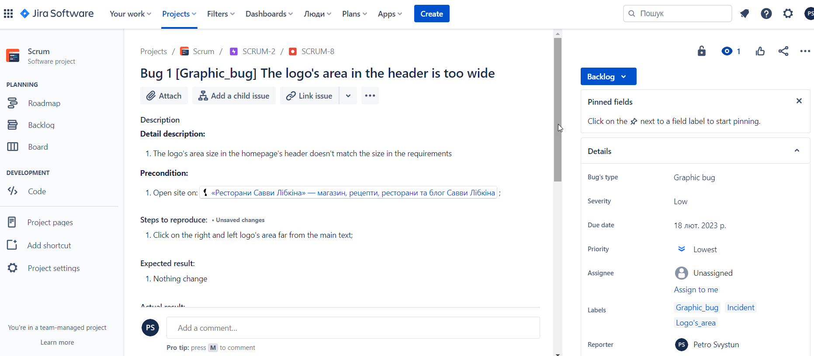
Link: https://piter123.atlassian.net/browse/SCRUM-8?atlOrigin=eyJpIjoiMWE3MWIxNGNiYzE4NGMzYWFmMGRiYjkyOWE5Zjg3OTkiLCJwIjoiaiJ9
Homepage: https://books.savva-libkin.com/ | Link on site: https://savva-libkin.com/en

